Sheet2
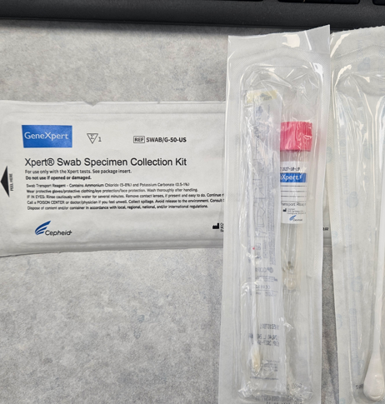
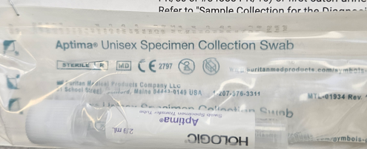
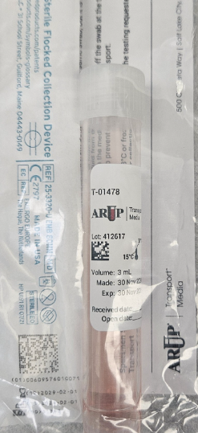
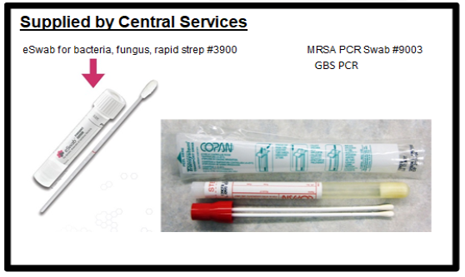
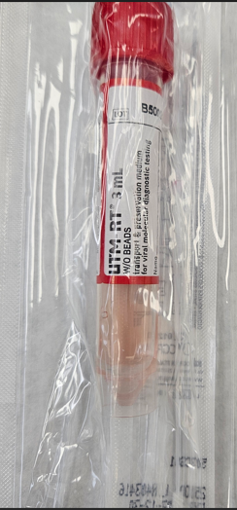
NP Swab with UTM (Universal Transport Media)
RED CAP Flu/RSV/COVID/Resp Panel/Bordetella

Cervical/Vaginal Swab in Xpert Transport Reagent | Male Urethra Swab (Aptima) | Viral Culture/HSV(Herpes)
PINK CAP Vaginitis/Chlamydia/Gonorrhea | Chlamydia/Gonorrhea | Collection (ARUP)

